CONTENTS
Ribbon 2025 Sustainability Report
2025 Disclosures
This file contains Ribbon's Sustainability Disclosure Indices covering disclosures in our 2025 Sustainability Report.

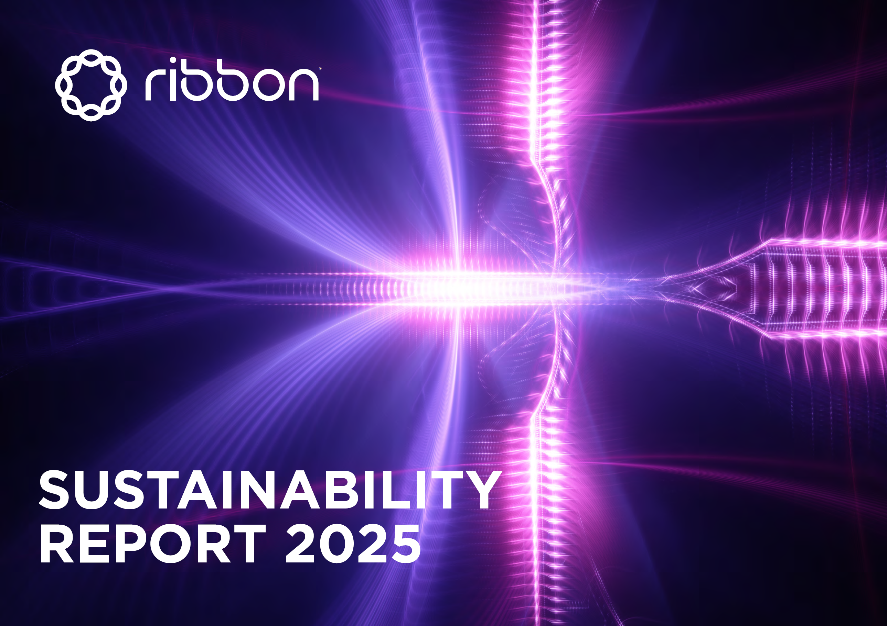
Contents

GRI Content Index
SASB TC-HW Standard
BRSR (INDIA)
TCFD
UNGC 10 Principles
ESG POLICIES AND POSITIONS

Ribbon 2025 Sustainability Report download

Ribbon 2025 Annual Report on Form 10K download

Ribbon 2025 GRI, SASB, UNGC, TCFD and BRSR (India) disclosure indices (this file) download

ESG POLICIES AND POSITIONS
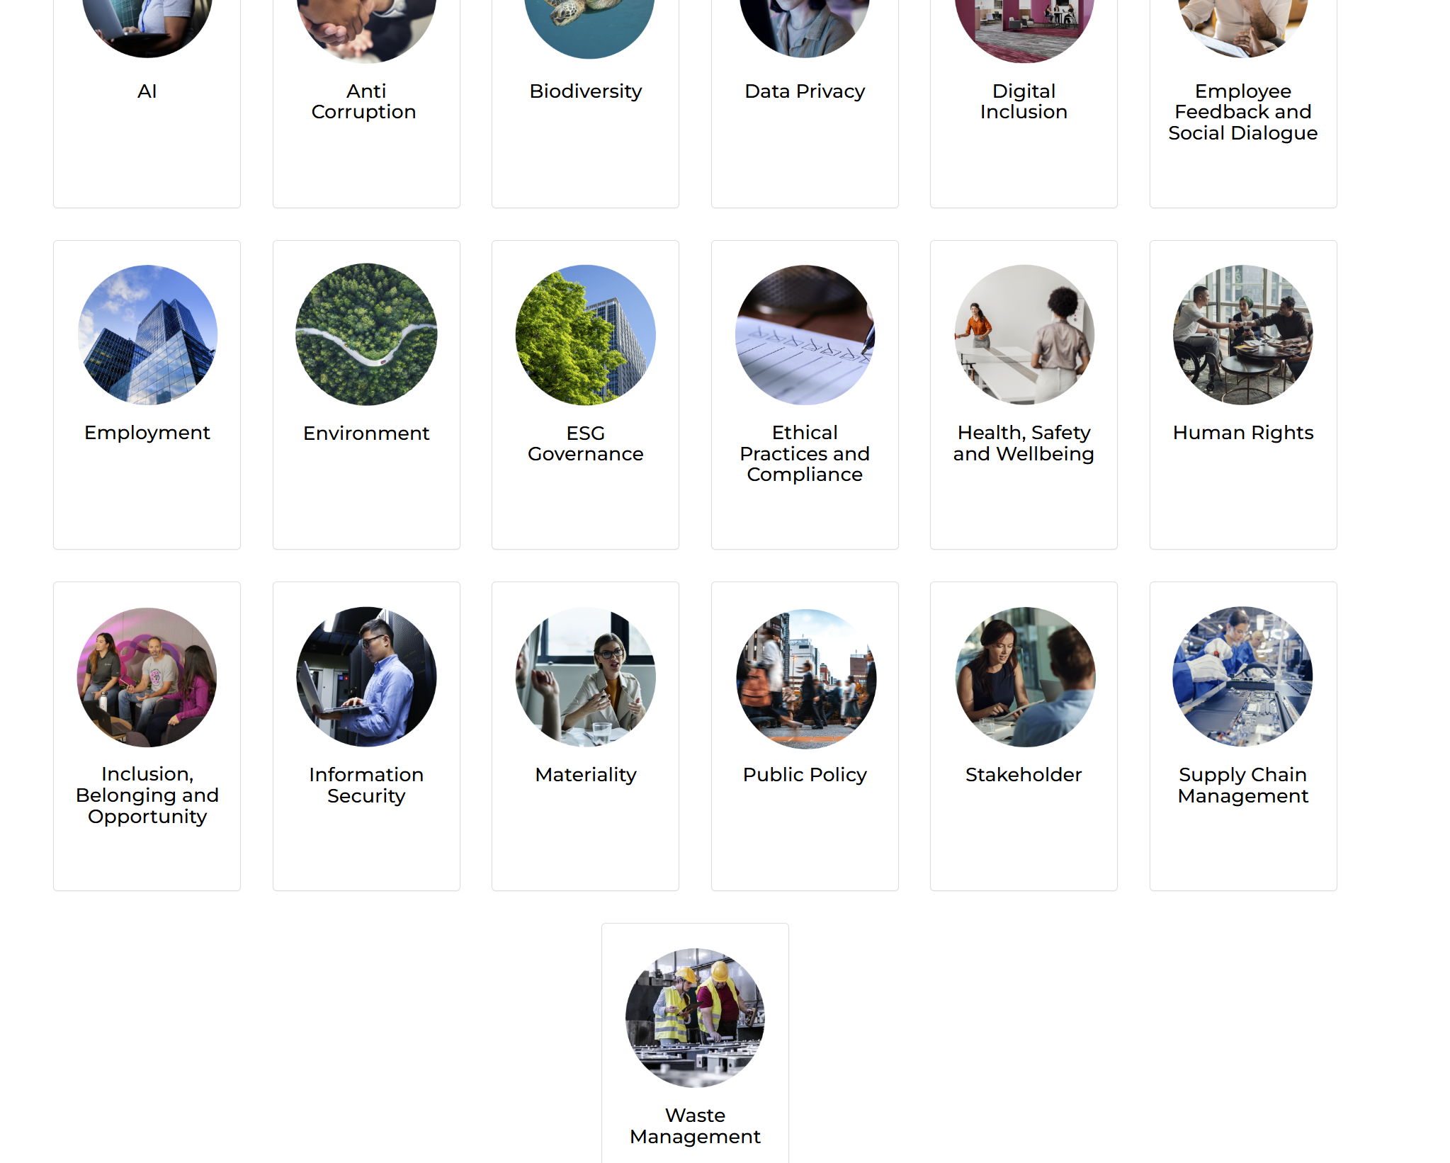
Global Policies and Positions | https://ribboncommunications.com/company/sustainability/global-positions

Our Approach to Artificial Intelligence (AI) | https://ribboncommunications.com/company/sustainability/global-positions/ai
Our Approach to Anti-Corruption | https://ribboncommunications.com/company/sustainability/global-positions/anti-corruption
Our Approach to Biodiversity | https://ribboncommunications.com/company/sustainability/global-positions/our-approach-biodiversity
Our Approach to Data Protection | https://ribboncommunications.com/company/sustainability/global-positions/privacy
Our Approach to Digital Inclusion | https://ribboncommunications.com/company/sustainability/global-positions/digital-inclusion
Our Approach to Employee Feedback and Social Dialogue | https://ribboncommunications.com/company/sustainability/global-positions/employee-feedback-and-social-dialogue
Our Approach to Employment | https://ribboncommunications.com/company/sustainability/global-positions/employment
Our Approach to Climate Change and the Environment | https://ribboncommunications.com/company/sustainability/global-positions/environment
Our Approach to ESG Governance | https://ribboncommunications.com/company/sustainability/global-positions/esg-governance | add lifecycle document link | https://ribboncommunications.com/company/get-help/resource-library
Our Commitment to Ethical Business Practices and Legal Compliance | https://ribboncommunications.com/company/sustainability/global-positions/compliance
Our Approach to Health, Safety and Wellbeing | https://ribboncommunications.com/company/sustainability/global-positions/health-safety-and-wellbeing
Our Approach to Human Rights | https://ribboncommunications.com/company/sustainability/global-positions/human-rights
Our Approach to Inclusion, Belonging and Opportunity in our Workforce | https://ribboncommunications.com/company/sustainability/global-positions/inclusion | certifications | https://ribboncommunications.com/company/company/business-management-systems-certifications
Our Approach to Information Security and Data Privacy | https://ribboncommunications.com/company/sustainability/global-positions/information-security
Our Approach to Materiality | https://ribboncommunications.com/company/sustainability/global-positions/materiality
Our Approach to Public Policy | https://ribboncommunications.com/company/sustainability/global-positions/public-policy
Our Approach to Stakeholder Engagement | https://ribboncommunications.com/company/sustainability/global-positions/stakeholder-engagement
Our Approach to Responsible Supply Chain Management | https://ribboncommunications.com/company/sustainability/global-positions/supply-chain-management
Our approach to Waste Management and Circularity | https://ribboncommunications.com/company/sustainability/global-positions/waste-management
Conflict Minerals Policy | https://investors.ribboncommunications.com/static-files/f0b1fc66-124e-43b8-89f6-5395544553d3
Code of Conduct and Ethics | https://investors.ribboncommunications.com/static-files/d50969a1-e1ed-4bee-b6e8-0c7a39186282

